0
This file has several tabs (also called worksheets). There are 2 tabs for each language: one that presents the questions in Biblical order and another tab that presents the same questions in random order.

Este archivo tiene varias pestañas (también llamadas hojas de trabajo). Hay 2 pestañas para cada idioma: una que presenta las preguntas en orden bíblico y otra pestaña que presenta las mismas preguntas en orden aleatorio.

Ce fichier comporte plusieurs onglets (également appelés feuilles de calcul). Il y a 2 onglets pour chaque langue: un qui présente les questions dans l'ordre biblique et un autre qui présente les mêmes questions. Ces questions nécessitent l'aide d'un locuteur natif français. Si vous pouvez nous aider, veuillez nous contacter. dans un ordre aléatoire.

Diese Datei verfügt über mehrere Registerkarten (auch Arbeitsblätter genannt). Für jede Sprache gibt es zwei Registerkarten: eine, die die Fragen in biblischer Reihenfolge anzeigt, und eine andere, die dieselben Fragen in zufälliger Reihenfolge anzeigt.

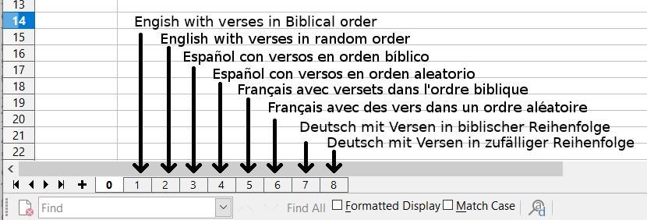

Scripture is taken from the following translations:
New King James Version copyright © 1982 by Thomas Nelson. Used by permission.
Reina-Valera 95 © Sociedades Biblicas Unidas, 1995. Used by permission.
Louis Segond (LSG) translation., Public Domain
Luther Bible 1545, Public Domain

